TEDB Edition 40
Other parts of the world refine crude oil to produce more diesel fuel and less gasoline than the OECD Americas. The OECD Europe countries produce the lowest share of gasoline and highest share of diesel in 2020.

Figure 1.4. Refinery Gross Output by World Region, 2010 and 2020
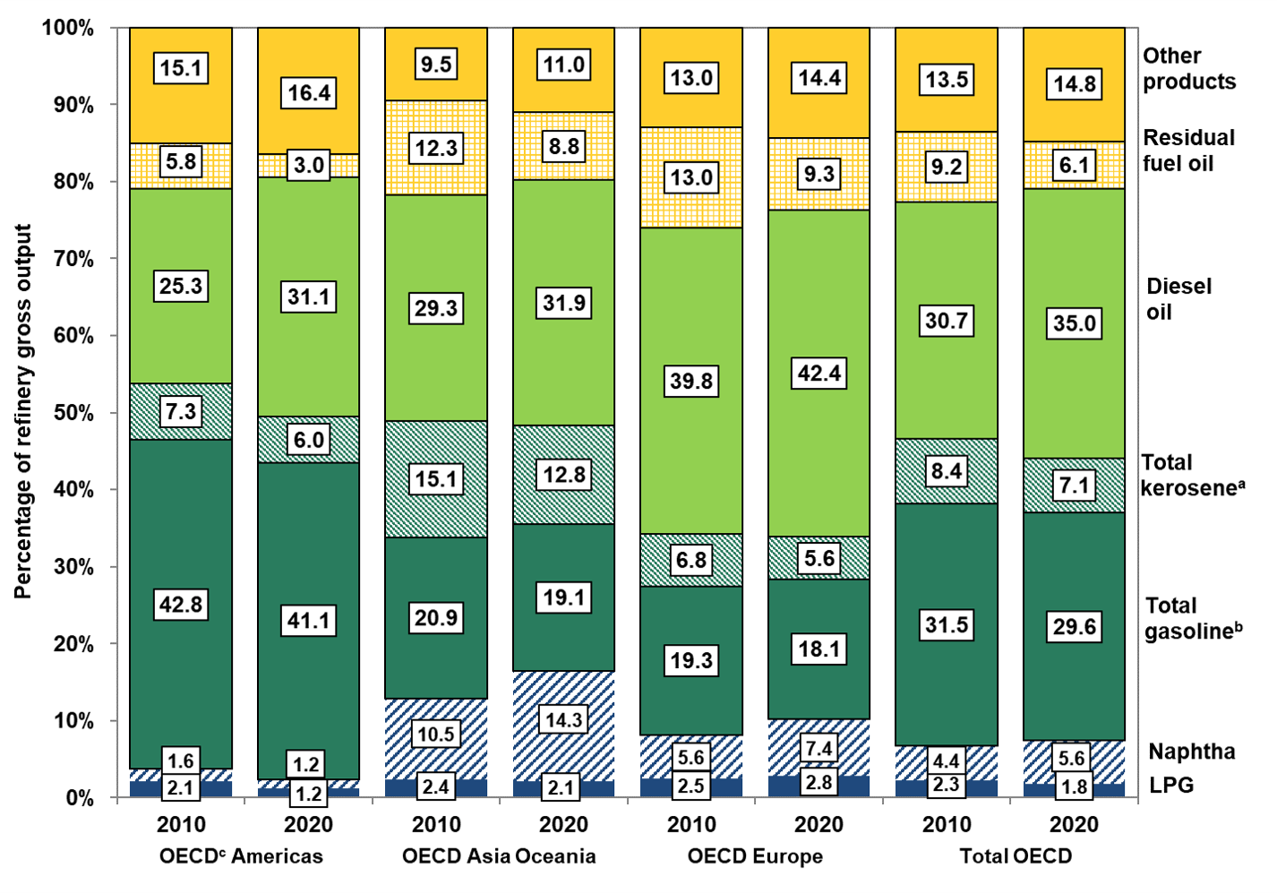

 | 2010 | 2020 | 2010 | 2020 | 2010 | 2020 | 2010 | 2020
 | OECD | OECD | OECD Asia | OECD Asia | OECD | OECD | Total | Total
 | Americas | Americas | Oceania | Oceania | Europe | Europe | OECDc | OECDc
LPG | 2.1% | 1.2% | 2.4% | 2.1% | 2.5% | 2.8% | 2.3% | 1.8%
Naphtha | 1.6% | 1.2% | 10.5% | 14.3% | 5.6% | 7.4% | 4.4% | 5.6%
Total gasolineb | 42.8% | 41.1% | 20.9% | 19.1% | 19.3% | 18.1% | 31.5% | 29.6%
Total kerosenea | 7.3% | 6.0% | 15.1% | 12.8% | 6.8% | 5.6% | 8.4% | 7.1%
Diesel oil | 25.3% | 31.1% | 29.3% | 31.9% | 39.8% | 42.4% | 30.7% | 35.0%
Residual fuel oil | 5.8% | 3.0% | 12.3% | 8.8% | 13.0% | 9.3% | 9.2% | 6.1%
Other products | 15.1% | 16.4% | 9.5% | 11.0% | 13.0% | 14.4% | 13.5% | 14.8%

Source:
International Energy Agency, Monthly Oil Statistics, August 2021 and Monthly Oil Survey December 2011. (Additional resources: www.iea.org)

a Includes jet kerosene and other kerosene.
b Includes motor gasoline, jet gasoline, and aviation gasoline.
c Organization for Economic Cooperation and Development. See Glossary for membership.

